New Scoresheet
Competition ID

Candidate Name

Mandatory Criteria
Experience and Qualifications

Subtotal Experience | 0 | 0 | 0 | 0 | 0 | 0 | 0 | 0 | 0 | 0 | 0 | 0 | 0 | 0 | 0 | 0 | 0 | 0 | 0 | 0 | 0 | 0 | 0 | 0
Desirable Criteria

Subtotal Desireable | 0 | 0 | 0 | 0 | 0 | 0 | 0 | 0 | 0 | 0 | 0 | 0 | 0 | 0 | 0 | 0 | 0 | 0 | 0 | 0 | 0 | 0 | 0 | 0
Total | 0 | 0 | 0 | 0 | 0 | 0 | 0 | 0 | 0 | 0 | 0 | 0 | 0 | 0 | 0 | 0 | 0 | 0 | 0 | 0 | 0 | 0 | 0 | 0
Comment
Result (Y/N)

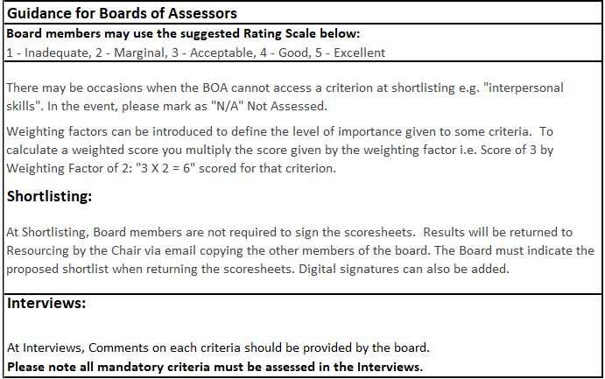
 | Guidance for Boards of Assessors
 | Board members may use the suggested Rating Scale below:
 | 1 - Inadequate, 2 - Marginal, 3 - Acceptable, 4 - Good, 5 - Excellent
 | There may be occasions when the BOA cannot access a criterion at shortlisting e.g. "interpersonal skills". In the event, please mark as "N/A" Not Assessed.

 | Weighting factors can be introduced to define the level of importance given to some criteria. To calculate a weighted score you multiply the score given by the weighting factor i.e. Score of 3 by Weighting Factor of 2: "3 X 2 = 6" scored for that criterion.

 | Shortlisting:
 | At Shortlisting, Board members are not required to sign the scoresheets. Results will be returned to Resourcing by the Chair via email copying the other members of the board. The Board must indicate the proposed shortlist when returning the scoresheets. Digital signatures can also be added.

 | Interviews: At Interviews, Comments on each criteria should be provided by the board. Please note all mandatory criteria must be assessed in the Interviews.

